landing page dADI
dMUDH
dADI
dASP
dARA
user profile

Shared Folders
share
present

Infra
appde

digi
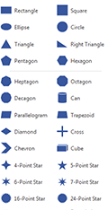
cyber

My Secret

landing page dASP
dMUDH
dADI
dASP
dARA
user profile

share
present

Enter New Info

Application Integrations

SEARCH

landing Page dARA
dMUDH
dADI
dASP
dARA
user profile

share
present
Application landscape

Report 1
Report 2

Infrastructure landscape

Report 1
Report 2

Cost landscape

share
share

RoadMap

